3A(Part1)
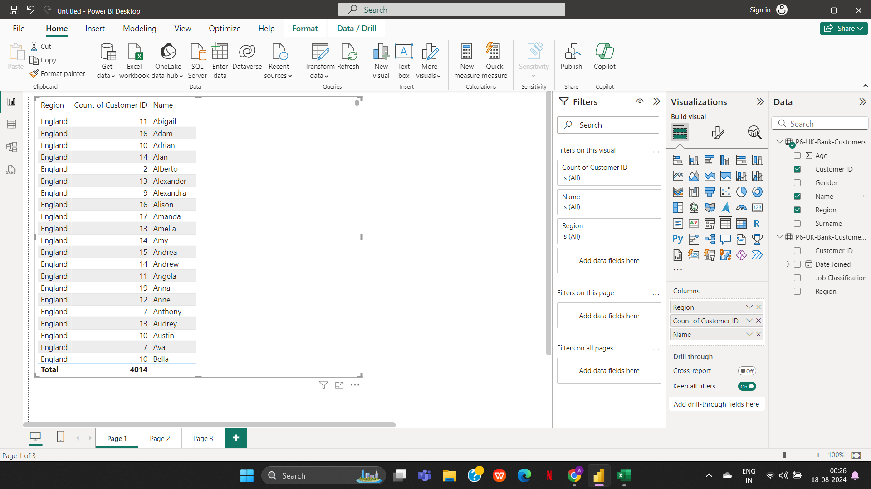
Level 2

3a. Region-wise number of customers

3B(Part1)
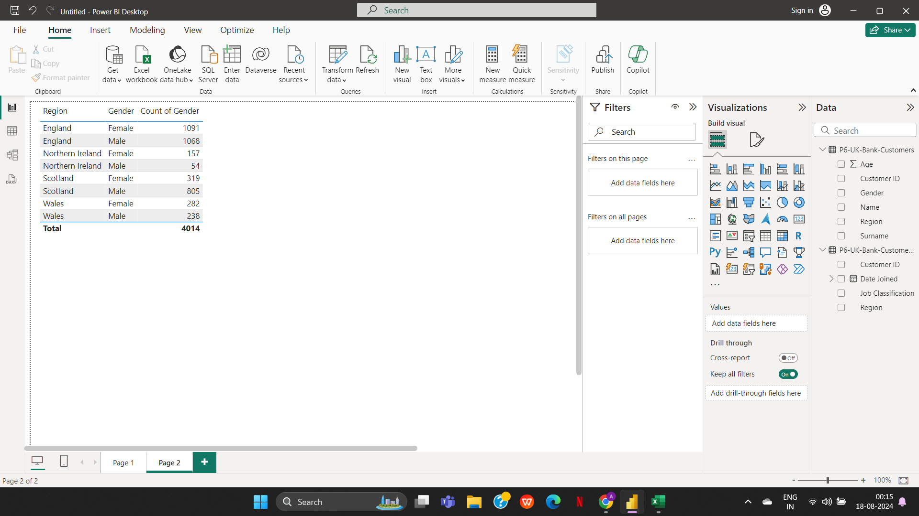
3b. Region-wise number of Male & Female Customers

3C(Part1)
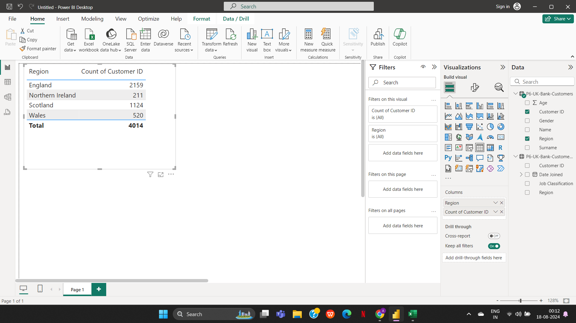
3c. Customer presence throughout the world (based on the region-wise customer base)

3D(Part1)
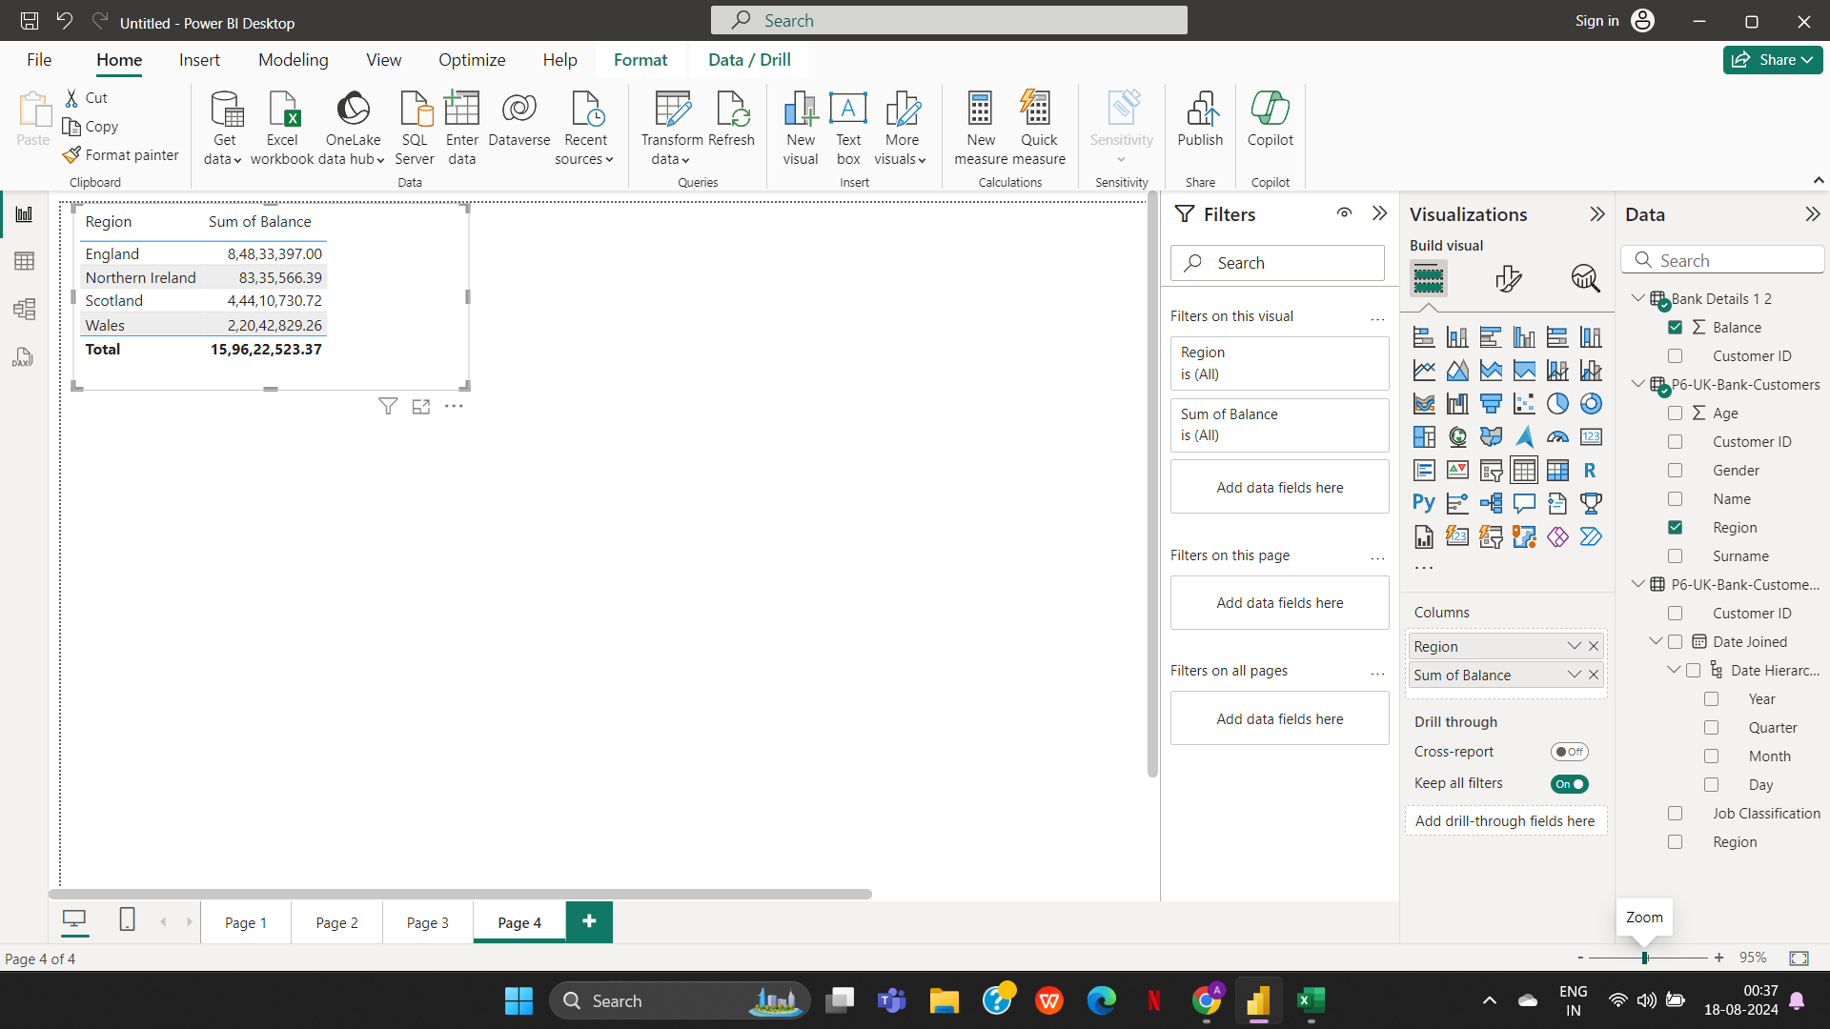
3d. Region-wise customer’s bank balance

3E(Part1)
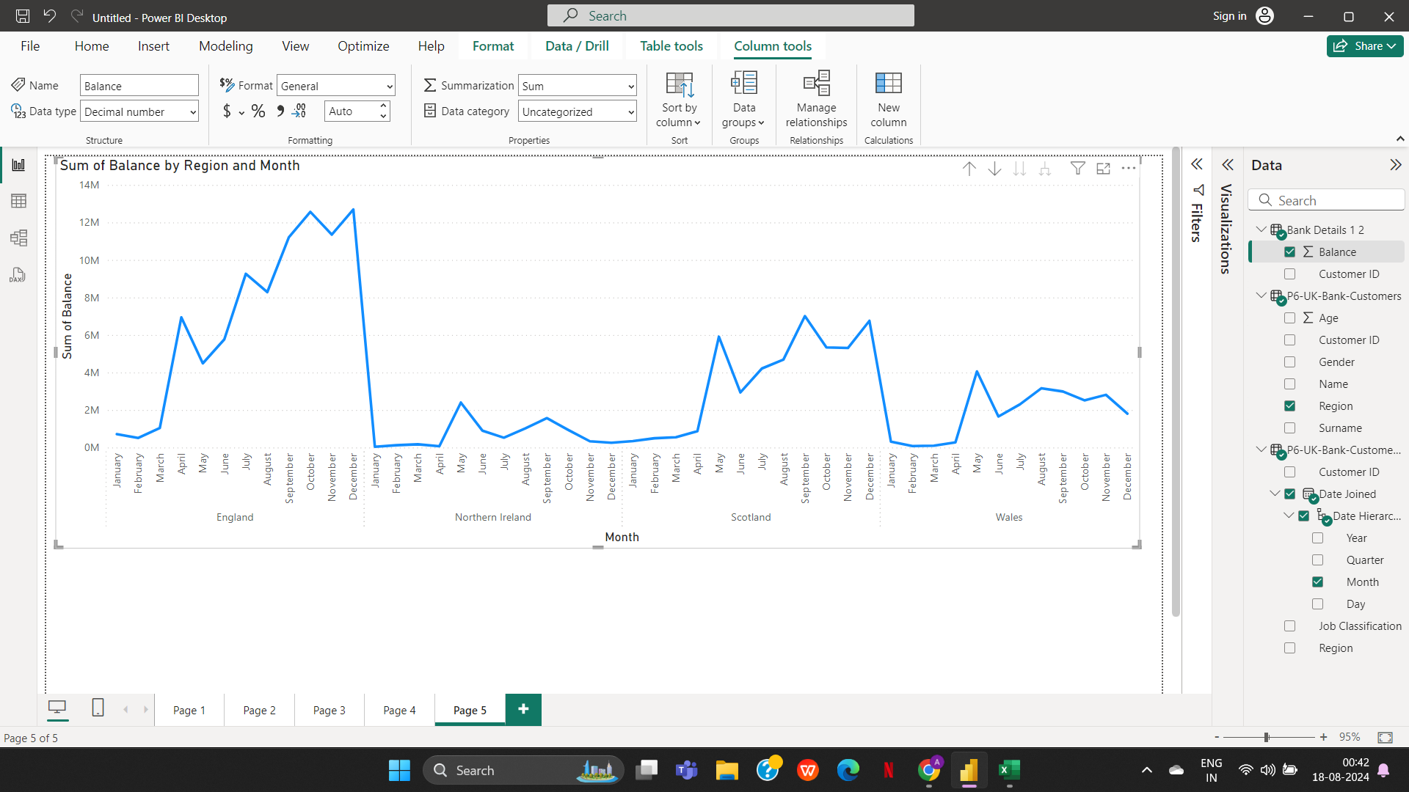
3e. Region-wise Monthly balance availability trend.

2A(Part2)
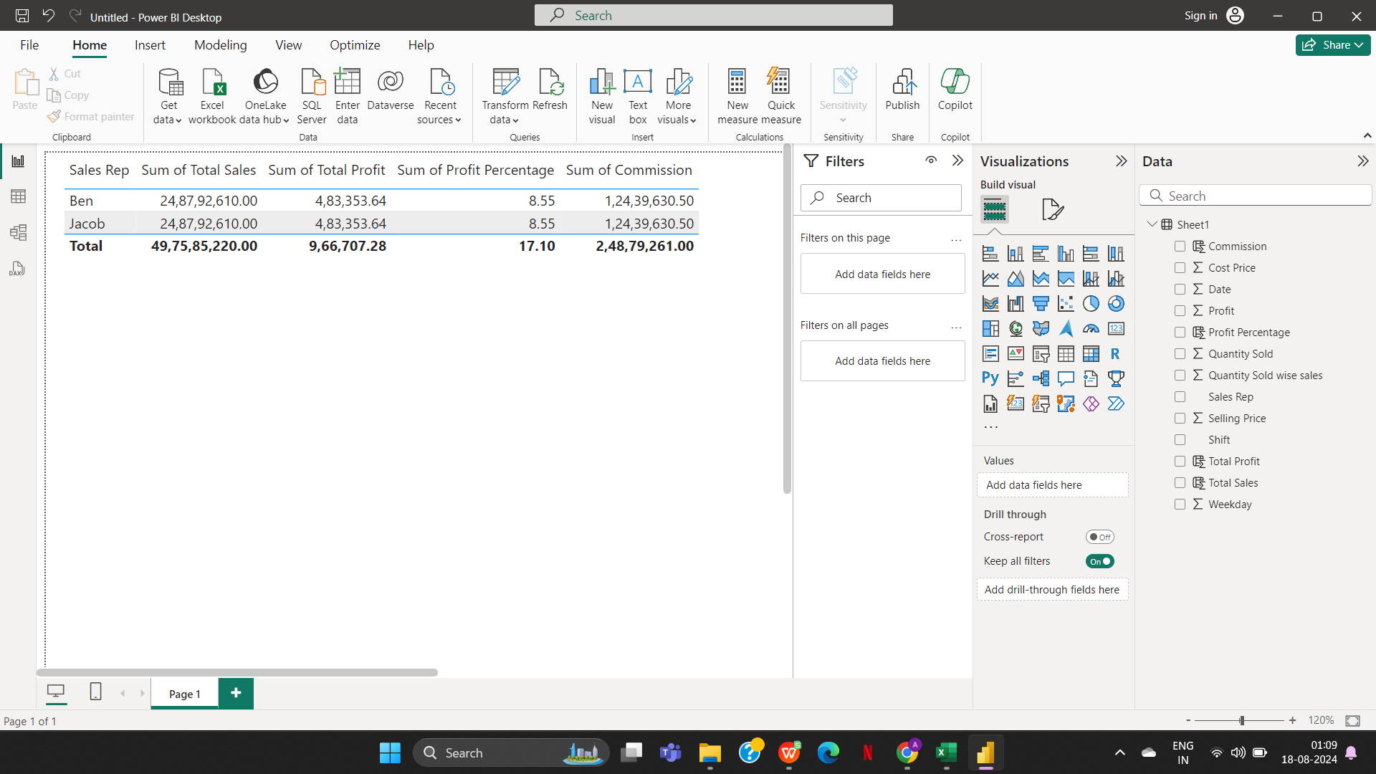
2a. Overall profit percentage and commission for sales against each sales representative

2B(Part2)
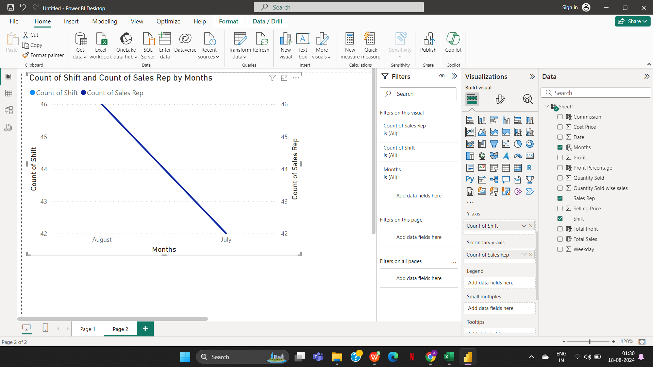
2b. Sales representative-wise total number of work shifts (monthly basis) and work shifts (day & night) trends against the sales representative

